AssemblyCode
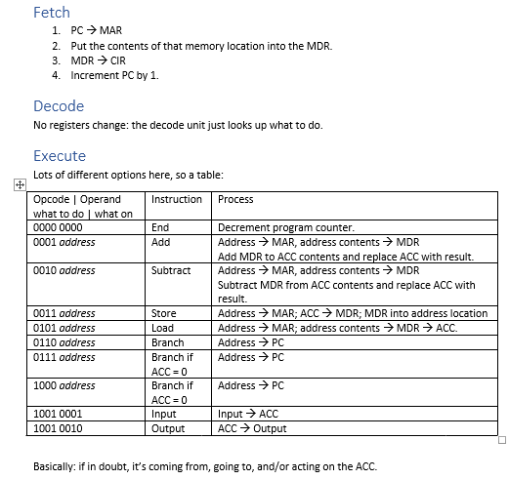
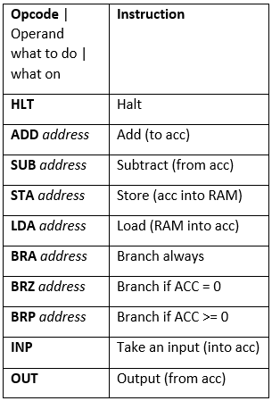
RAM |  |  |  | End of cycle: |  | Fetch | Decode | Execute | Fetch | Decode | Execute | Fetch | Decode | Execute | Fetch | Decode | Execute | Fetch | Decode | Execute
Address | Data |  | Time | T | 0 | 1 | 2 | 3 | 4 | 5 | 6 | 7 | 8 | 9 | 10 | 11 | 12 | 13 | 14 | 15
0000 | LDA 0101 | Registers | Program Counter | PC | 0000 | 0001 | 0001 | 0001 | 0010 | 0010 | 0010 | 0011 | 0011 | 0011 | 0100 | 0100 | 0100 | 0101 | 0101 | 0100
0001 | ADD 0110 |  | Memory Address Register | MAR |  | 0000 | 0000 | 0101 | 0001 | 0001 | 0110 | 0010 | 0010 | 0111 | 0011 | 0011 | 0011 | 0100 | 0100 | 0100
0010 | STA 0111 |  | Memory Data Register | MDR |  | LDA 0101 | LDA 0101 | 00110000 | ADD 0110 | ADD 0110 | 00000001 | STA 0111 | STA 0111 | 00110001 | OUT | OUT | OUT | HLT | HLT | HLT
0011 | OUT |  | Current Instruction Register | CIR |  | LDA 0101 | LDA 0101 | LDA 0101 | ADD 0110 | ADD 0110 | ADD 0110 | STA 0111 | STA 0111 | STA 0111 | OUT | OUT | OUT | HLT | HLT | HLT
0100 | HLT |  | Accumulator | ACC |  |  |  | 00110000 | 00110000 | 00110000 | 00110001 | 00110001 | 00110001 | 00110001 | 00110001 | 00110001 | 00110001 | 00110001 | 00110001 | 00110001
0101 | 00110000 |  | Input | I
0110 | 00000001 |  | Output | O |  |  |  |  |  |  |  |  |  |  |  |  | 00110001 | 00110001 | 00110001 | 00110001
0111 | 00110001 |  | Matching registers: |  | 7 | 7 | 7 | 7 | 7 | 7 | 7 | 7 | 7 | 7 | 7 | 7 | 7 | 7 | 7 | 7
1000 | 00000000
1001 | 00000000 |  | Describe what this algorithm does:
1010 | 00000000
1011 | 00000000
1100 | 00000000
1101 | 00000000
1110 | 00000000
1111 | 00000000

